7+
Location | Date | Lat N | long E | Magnitude | Depth km | Distance from plate boundary km (estimated) | Calculated distance ratio (depth/TAN(Dip)) | Stike | Dip | Rake | Flat plane solution
Northern Sumatra | 6/20/76 | 3.397 | 96.318 | 7 | 33 | 188 | 62 | 338 | 28 | 99 | 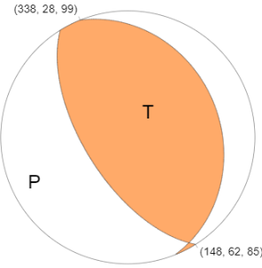
Simeulue | 11/2/02 | 2.824 | 96.085 | 7.4 | 30 | 121 | 141 | 302 | 12 | 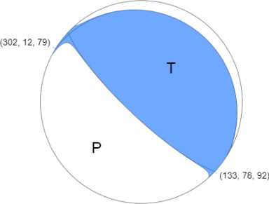 79

6.0-6.9
Location | Date | Lat N | long E | Magnitude | Depth km | Distance from plate boundary km (estimated) | Calculated distance ratio (depth/TAN(Dip)) | Stike | Dip | Rake | Flat plane solution
Northern Sumatra | 1/22/90 | 3.885 | 96.1 | 6.2 | 45.7 | 123 | 90 | 313 | 27 | 89 | 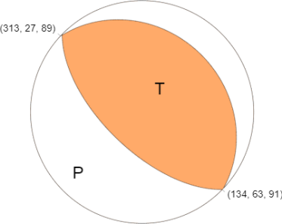
Simeulue | 9/1/93 | 2.986 | 96.122 | 6.3 | 34 | 141 | 215 | 306 | 9 | 85 | 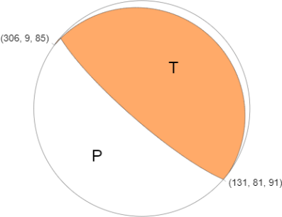
Northern Sumatra | 10/31/94 | 3.019 | 96.192 | 6.2 | 29.4 | 148 | 66 | 276 | 24 | 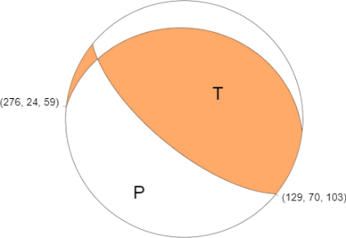 59
Northern Sumatra | 1983-09-17 05:56:56 | 4.75 | 95.039 | 6.1 | 66.4 | 220 | 66 | 182 | 45 | -25 | 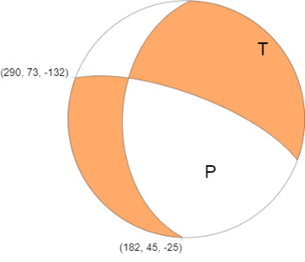
Northern Sumatra | 4/4/83 | 5.723 | 94.722 | 6.9 | 78.5 | 233 | 64 | 207 | 51 | 51 | 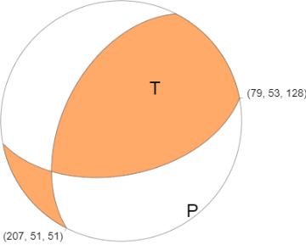
Northern Sumatra | 2/19/80 | 6.703 | 92.61 | 5.5 | 34.6 | 33 | 49 | 308 | 35 | 38 | 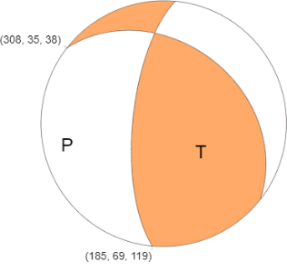
Northern Sumatra | 3/8/91 | 7.23 | 93.447 | 5.3 | 52.7 | 135 | 57 | 219 | 43 | 0 | 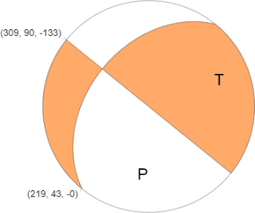
Andaman Islands | 9/13/02 | 13.036 | 93.068 | 6.5 | 21 | 137 | 23 | 212 | 42 | 137 | 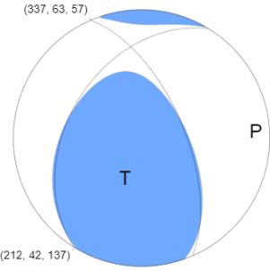

5.0-5.9
5
Location | Date | Lat N | long E | Magnitude | Depth km | Distance from plate boundary km (estimated) | Calculated distance ratio (depth/TAN(Dip)) | Stike | Dip | Rake | Flat plane solution
Northern Sumatra | 11/13/02 | 3.006 | 96.087 | 5.6 | 39.4 | 140 | 121 | 298 | 18 | 82 | 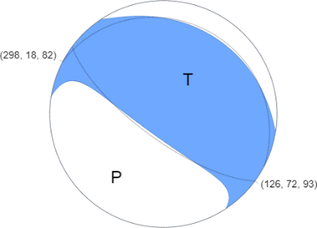
Northern Sumatra | 11/22/95 | 3.09 | 95.915 | 5.8 | 21.1 | 147 | 45 | 285 | 25 | 63 | 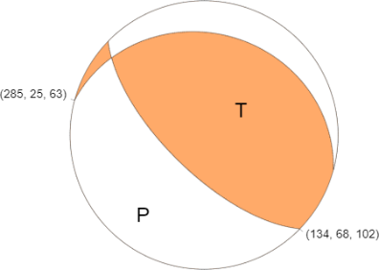
Northern Sumatra | 3/14/95 | 3.05 | 95.845 | 5.5 | 30.1 | 133 | 59 | 299 | 27 | 79 | 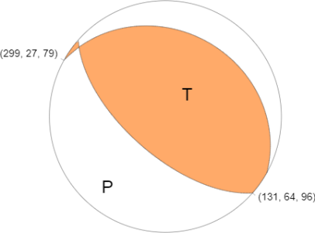
Northern Sumatra | 2/24/99 | 3.367 | 96.039 | 5.4 | 33.5 | 174 | 172 | 237 | 11 | 27 | 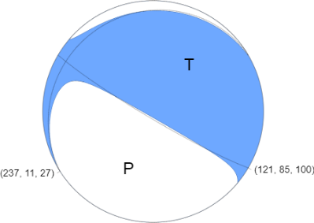
Northern Sumatra | 8/6/91 | 3.827 | 95.374 | 5.9 | 18.1 | 186 | 19 | 120 | 44 | 86 | 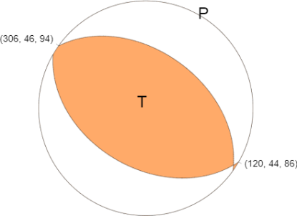
Northern Sumatra | 1/22/02 | 3.488 | 95.629 | 5.2 | 32 | 168 | 58 | 268 | 29 | 29 | 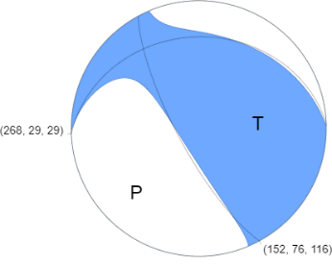
Northern Sumatra | 1/24/02 | 3.533 | 95.658 | 5.7 | 33.6 | 176 | 34 | 124 | 45 | 93 | 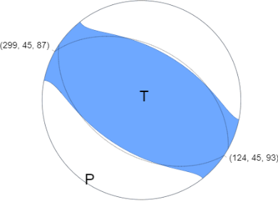
Northern Sumatra | 1/24/02 | 3.535 | 95.659 | 5.4 | 32.7 | 177 | 34 | 118 | 44 | 84 | 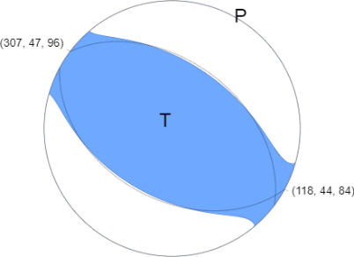
Northern Sumatra | 7/31/90 | 3.812 | 95.369 | 5.1 | 29.9 | 184 | 38 | 171 | 38 | 125 | 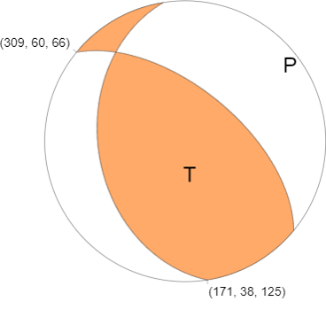
Northern Sumatra | 8/6/91 | 3.827 | 95.374 | 5.9 | 18.1 | 186 | 19 | 120 | 44 | 86 | 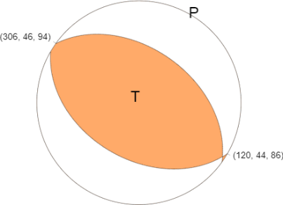
Northern Sumatra | 2/2/03 | 4.001 | 95.425 | 5.2 | 80.8 | 204 | 75 | 193 | 47 | 156 | 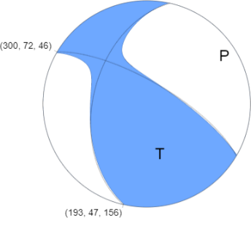
Northern Sumatra | 1988-04-03 14:27:09 | 4.687 | 94.419 | 5.9 | 30.3 | 155 | 42 | 141 | 36 | 130 | 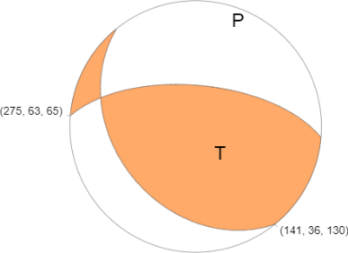
Andaman Islands | 10/9/00 | 10.002 | 92.952 | 5.9 | 32.4 | 156 | 50 | 184 | 33 | 123 | 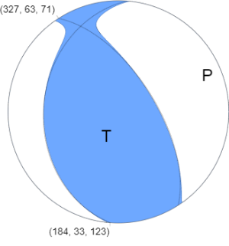
Nicobar Islands | 11/5/00 | 9.938 | 92.978 | 5.6 | 33.1 | 158 | 78 | 193 | 23 | 126 | 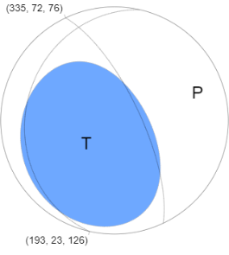
Andaman Islands | 11/6/98 | 11.052 | 92.514 | 5.2 | 34.6 | 101 | 178 | 318 | 11 | 70 | 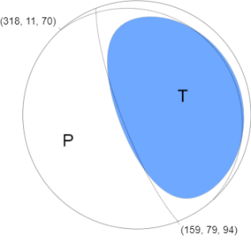
Andaman Islands | 9/30/93 | 11.815 | 92.529 | 5.3 | 22.5 | 95 | 48 | 344 | 25 | 82 | 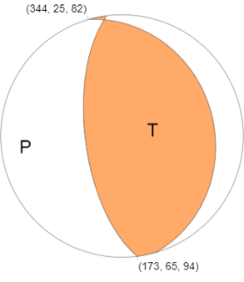
Andaman Islands | 11/2/81 | 12.198 | 92.855 | 5.7 | 33.8 | 125 | 88 | 109 | 21 | 50 | 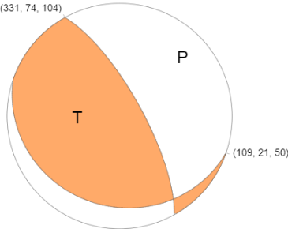
Andaman Islands | 2/7/78 | 12.796 | 93.016 | 5.5 | 32.9 | 128 | 35 | 129 | 43 | 46 | 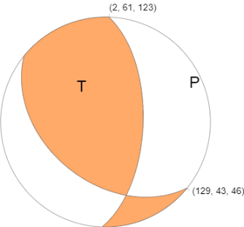
Andaman Islands | 2/7/78 | 12.863 | 93.07 | 5.6 | 33.1 | 133 | 46 | 162 | 36 | 95 | 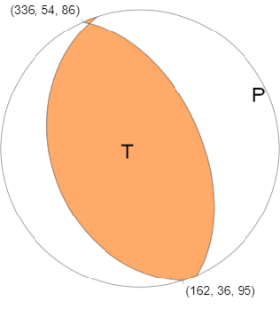
Andaman Islands | 3/6/04 | 12.959 | 93.135 | 5.5 | 38.2 | 135 | 30 | 214 | 52 | 157 | 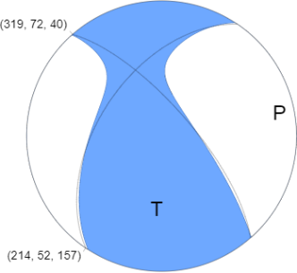
Andaman Islands | 9/14/02 | 13.055 | 93.157 | 5.8 | 29.7 | 128 | 25 | 206 | 50 | 128 | 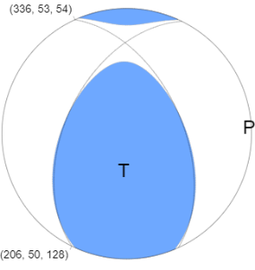
Andaman Islands | 11/20/03 | 13.037 | 93.245 | 5.4 | 33 | 147 | 20 | 216 | 59 | 115 | 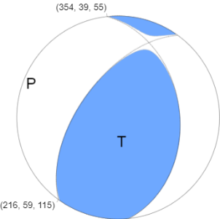
Andaman Islands | 4/10/04 | 13.107 | 93.218 | 5.1 | 33.6 | 141 | 58 | 395 | 30 | 73 | 